Simple Invoice
Charlie's Cookies |  |  | INVOICE

1111 Cookie Lane
Chocolate City, CO 12321 |  | DATE: | 2020-07-31
Phone: 111-222-3333 |  | INVOICE # | CRU01
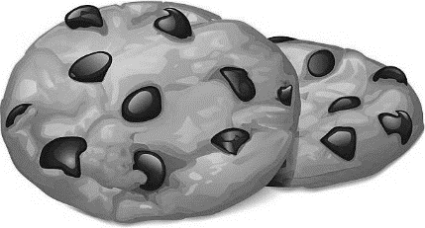
cookiebroker@cookies.com |  | FOR: | Cookies

Bill To:
Cookies R Us
Attn: Receiving |  |  |  | Prices
1234 E. Bakers Lane |  |  |  | Snicky Doodle | $4
Denver, CO 01234 |  |  |  | Choco Chip | 5
 |  |  |  | Nutty Butter | 3.5

DESCRIPTION |  | QUANTITY | AMOUNT
Snicky Doodle |  | 4 | $16.00
Nutty Butter |  | 7 | $24.50
Choco Chip |  | 6 | $30.00

 | TOTAL |  | $70.50

Make all checks payable to Charlie's Cookies
If you have any questions concerning this invoice, contact Charlie
(987) 654-3210, cookiebroker@cookies.com

THANK YOU FOR YOUR BUSINESS!

